Sheet1
Bug Title | Inventory → Operations → Issue → Remodel - Add button in Metal Configure popup is green instead of the standard blue
Steps to Reproduce | Login to Sioniq QA (BU: Cochin) Navigate to: Inventory → Operations → Issue → Remodel Click Add to open the Remodel Issue form and select a stock record Open the Metal — Configure popup Observe the colour of the Add button at the bottom-right of the popup
Actual Result | The Add button in the Metal — Configure popup is shown in green. This does not match the standard blue colour used for Add actions elsewhere in the application, making the button styling inconsistent.
Expected Result | The Add button should use the standard blue colour that is used for Add actions across the application, so button styling is consistent.
Screenshot
 | Metal — Configure

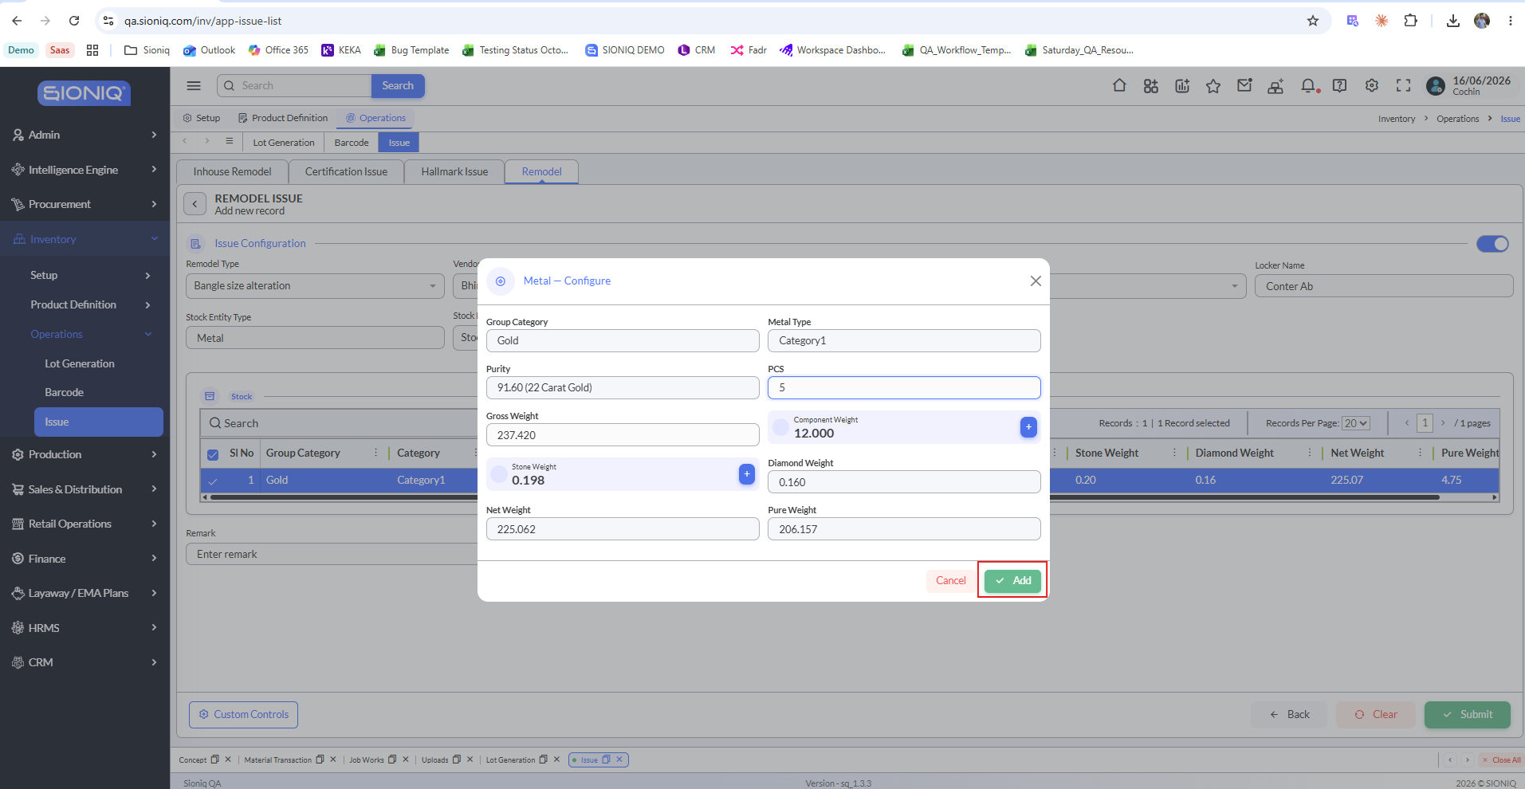

 | Add button rendered in green instead of the standard blue

